2011 SCRIMMAGE-SD
SCRIMMAGE (x) | MEAN (x-bar) | SCRIM - MEAN | SCRIM - MEAN^2

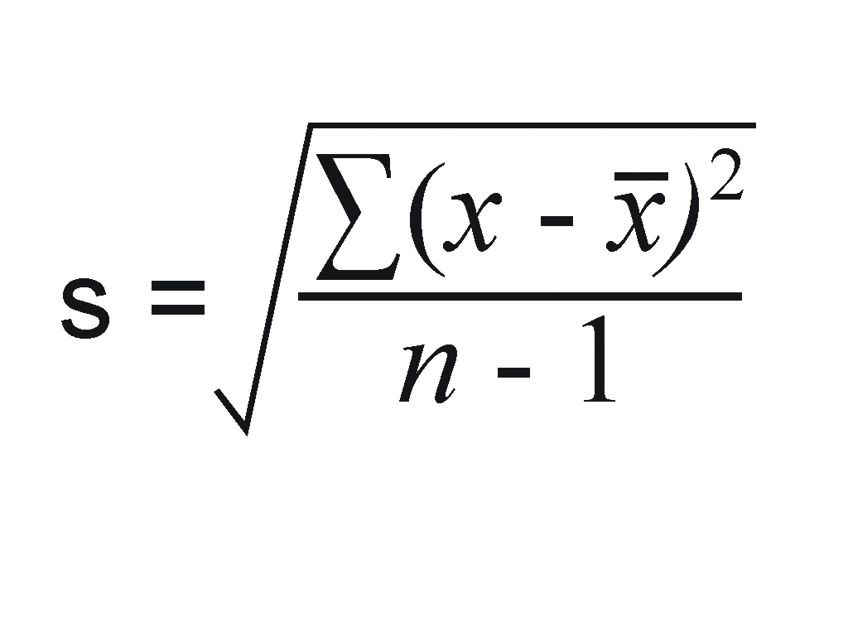

MEAN |  |  | VARIANCE | n
 |  |  |  | 33

C.O.V. |  |  | S.D. | n-1
 |  |  |  | 32

